Sheet1
 |  | Document No. | Issue No. | Issue Date |  | Review and Replace Date |  | Authorised By
 |  | GFF550MC | 1 | 23.01.2026 |  | New doc
 |  | Document Title | GC-Fried Half Potatoes-1000g (1kg)
 |  |  |  |  |  |  |  | Magda Shah
Document amendments reason for change |  | New doc | Page 1 of 1 |  | Previous Issue Date |  | New doc | Uncontrolled copy unless signed original

COOK DAY + 10 days
XXX | Gazebo (BULK-SNACKS) |  | Fried Half Potatoes-1000g (1kg)
STEP 1 |  |  |  |  | STEP 2
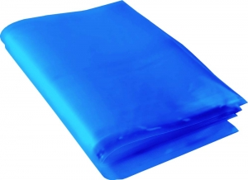 |  |  |  |  | 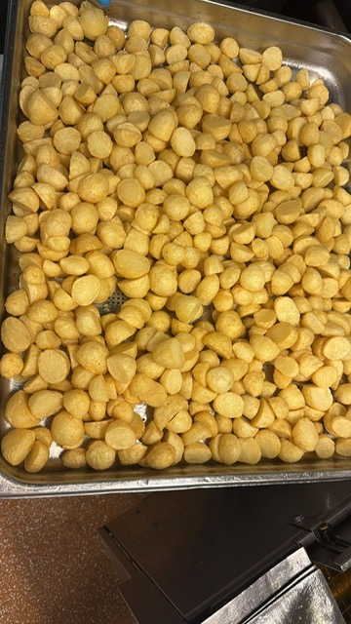

Blue Bag: 13”Wx15”Lx45mu (2% Blue Tint(to be blast freeze) food Grade - PKPMC001-05 |  |  |  |  | Fried Half Potatoes| GFF556R : 1000g (1 kg)

STEP 3
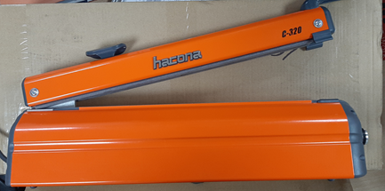 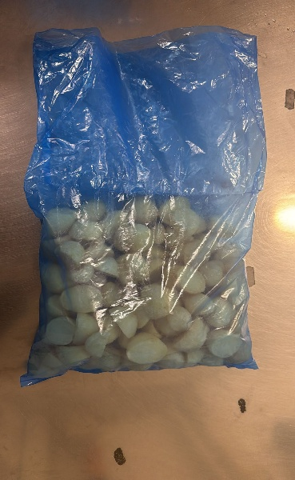

USE HAND SEALER TO SEAL THE BAG

TOTAL WEIGHT: 1000g

ALLERGY ALERT: None

